From Fusion 360
SubAssy | Category | Item | Thumbnail | Part Name | Part Description | Make/Buy | QTY | provided | provision notes | Comment | Vendor | Vendor URL
Enclosure_AcidBee | Hardware | 1 |  | M5X3030_Twist in T Nut | Nut, Tslot (Twist) - M5X3030 | Buy | 120 | 120 | provided
Enclosure_AcidBee | Hardware | 2 | 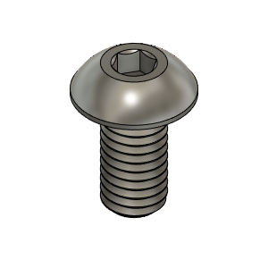 | M5X10_ButtonHeadScrew_97763A820 | Screw, ButtonHead - M5X10mm | Buy | 120 | 120 | 304 stainless
Enclosure_AcidBee | Hardware | 3 | 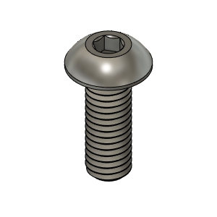 | M5X14_ButtonHeadScrew_91239A230 | Screw, ButtonHead - M5X14mm | Buy | 30 | 30 | 304 stainless
Enclosure_AcidBee | Hardware | 4 | 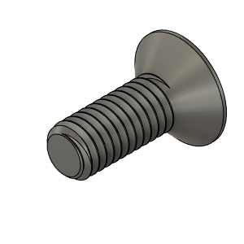 | M3X8_FlatHead_93395A201 | Screw, M3*8mm flat head | Buy | 4 | 4 | 304 stainless
Enclosure_AcidBee | Hardware | 5 | 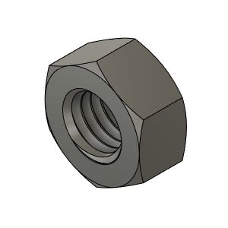 | M5_HexNut_94150A340 v1(Mirror) | Nut, Hex - M5 | Buy | 30 | 30 | 304 stainless
Enclosure_AcidBee | Buy | 6 | 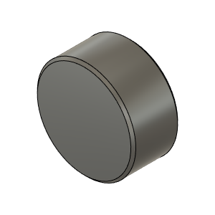 | Magnet_10X5 | Magnet_10X5 | Buy | 20 | 20 | provided | WARNING!!! Make sure to insert magnets in the PROPER DIRECTION! AND USE SUPER GLUE TO SECURE THEM
Enclosure_AcidBee | Buy | 7 | 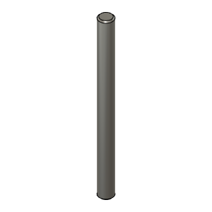 | HingePin 60mm long | Dowel Pin | Buy | 8 | 8 | 304 stainless | 5mm x 60mm
Enclosure_AcidBee | Buy (Optional) | 8 | 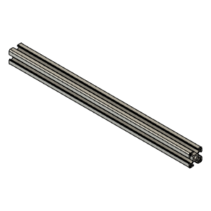 | 3030_profile v1 | Front Door Lower Member | Buy | 1 | 0 |  | OPTIONAL. Length of this extrusion is 110mm shorter than the other X oriented horizontal pieces. Ex: for a 315mm build the X oriented extrusions are 420mm long. This lower door beam needs to be 420-110 = 310mm
Enclosure_AcidBee | Buy | 4 | 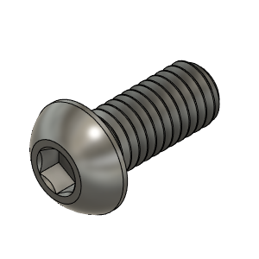 | M6X12_ButtonHeadScrew_92095A227 | Screw, ButtonHead - M6X12mm | Buy | 4 | 3 | 304 stainless | To hold the front door lower beam bracket
Enclosure_AcidBee | Buy | 4 |  | M6 roll in t-nut | Nut, Roll in, M6 | Buy | 4 | 4 | 3030 carbon steel type
Enclosure_AcidBee |  | 9 | 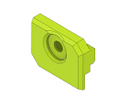 | Panel Clip Half | Clip, Half |  | 4 |  |  |  | HevORT - Enclosure - Acid Bee Theme by MirageC - Thingiverse | HevORT/files/STL/Enclosure/AcidBee_Enclosure at master · MirageC79/HevORT (github.com)
Enclosure_AcidBee |  | 10 | 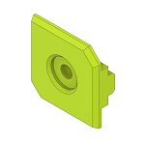 | Panel Clip | Clip, Panel |  | 8 |  |  |  | HevORT - Enclosure - Acid Bee Theme by MirageC - Thingiverse | HevORT/files/STL/Enclosure/AcidBee_Enclosure at master · MirageC79/HevORT (github.com)
Enclosure_AcidBee |  | 11 | 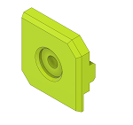 | Panel Clip Sides | Clip, Sides |  | 24 |  |  |  | HevORT - Enclosure - Acid Bee Theme by MirageC - Thingiverse | HevORT/files/STL/Enclosure/AcidBee_Enclosure at master · MirageC79/HevORT (github.com)
Enclosure_AcidBee |  | 12 | 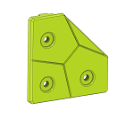 | Panel Clip_Corner | Clip_Corner |  | 16 |  |  |  | HevORT - Enclosure - Acid Bee Theme by MirageC - Thingiverse | HevORT/files/STL/Enclosure/AcidBee_Enclosure at master · MirageC79/HevORT (github.com)
Enclosure_AcidBee |  | 13 | 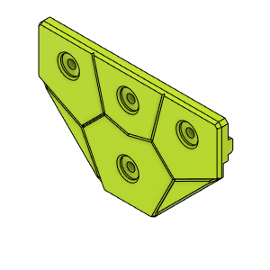 | PanelClip_Intersection | Clip, Intersection |  | 6 |  |  |  | HevORT - Enclosure - Acid Bee Theme by MirageC - Thingiverse | HevORT/files/STL/Enclosure/AcidBee_Enclosure at master · MirageC79/HevORT (github.com)
Enclosure_AcidBee |  | 14 | 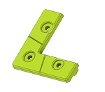 | DoorCorner | Clip, Cut for Door |  | 4 |  |  |  | HevORT - Enclosure - Acid Bee Theme by MirageC - Thingiverse | HevORT/files/STL/Enclosure/AcidBee_Enclosure at master · MirageC79/HevORT (github.com)
Enclosure_AcidBee |  | 15 | 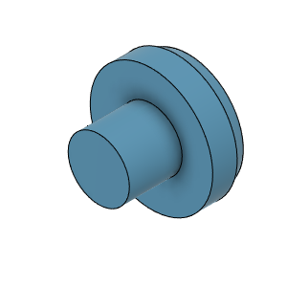 | DummyPin | Dummy Pin, Deco |  | 26 |  |  |  | HevORT - Enclosure - Acid Bee Theme by MirageC - Thingiverse | HevORT/files/STL/Enclosure/AcidBee_Enclosure at master · MirageC79/HevORT (github.com)
Enclosure_AcidBee |  | 16 | 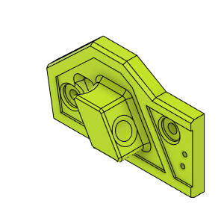 | DoorHandleBody(Left) | Front Door Handle Left | Make | 1 |  |  |  | HevORT - Enclosure - Acid Bee Theme by MirageC - Thingiverse | HevORT/files/STL/Enclosure/AcidBee_Enclosure at master · MirageC79/HevORT (github.com)
Enclosure_AcidBee |  | 17 | 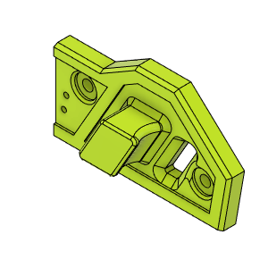 | DoorHandleBody(Right) | Front Door Handle Right | Make | 1 |  |  |  | HevORT - Enclosure - Acid Bee Theme by MirageC - Thingiverse | HevORT/files/STL/Enclosure/AcidBee_Enclosure at master · MirageC79/HevORT (github.com)
Enclosure_AcidBee |  | 18 | 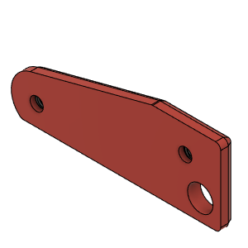 | HandleMagnetPlateLH | BackPlate, Handle_LH | Make | 1 |  |  |  | HevORT - Enclosure - Acid Bee Theme by MirageC - Thingiverse | HevORT/files/STL/Enclosure/AcidBee_Enclosure at master · MirageC79/HevORT (github.com)
Enclosure_AcidBee |  | 19 | 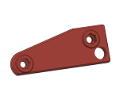 | HandleMagnetPlateRH_Body | HandleMagnetPlateRH | Make | 1 |  |  |  | HevORT - Enclosure - Acid Bee Theme by MirageC - Thingiverse | HevORT/files/STL/Enclosure/AcidBee_Enclosure at master · MirageC79/HevORT (github.com)
Enclosure_AcidBee |  | 20 | 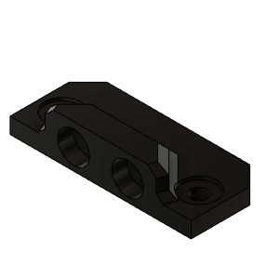 | DoorLatch_MagnetHolder | DoorLatch_MagnetHolder | Make | 4 |  |  |  | HevORT - Enclosure - Acid Bee Theme by MirageC - Thingiverse | HevORT/files/STL/Enclosure/AcidBee_Enclosure at master · MirageC79/HevORT (github.com)
Enclosure_AcidBee |  | 21 | 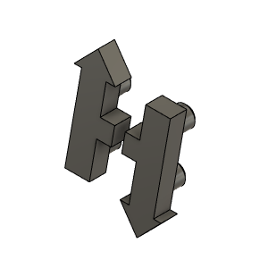 | HevORT LOGO_Small_Grey | HevORT Logo, Small | Make | 1 |  |  |  | HevORT - Enclosure - Acid Bee Theme by MirageC - Thingiverse | HevORT/files/STL/Enclosure/AcidBee_Enclosure at master · MirageC79/HevORT (github.com)
Enclosure_AcidBee |  | 22 | 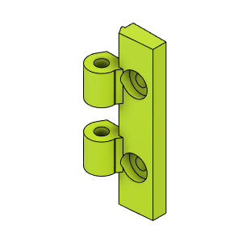 | DoorHinge_Mount |  |  | 6 |  |  | 2 per door. 2 front doors + elec bay door. | HevORT - Enclosure - Acid Bee Theme by MirageC - Thingiverse | HevORT/files/STL/Enclosure/AcidBee_Enclosure at master · MirageC79/HevORT (github.com)
Enclosure_AcidBee |  | 23 | 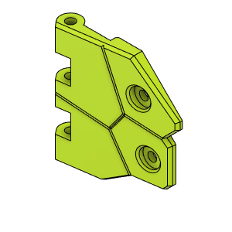 | DoorHingeFlapper_LowLH |  |  | 1 |  |  |  | HevORT - Enclosure - Acid Bee Theme by MirageC - Thingiverse | HevORT/files/STL/Enclosure/AcidBee_Enclosure at master · MirageC79/HevORT (github.com)
Enclosure_AcidBee |  | 25 | 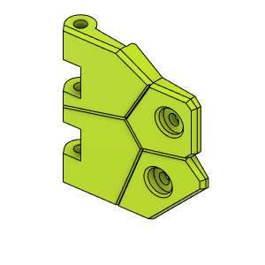 | DoorHingeFlapper_UpLH |  |  | 1 |  |  |  | HevORT - Enclosure - Acid Bee Theme by MirageC - Thingiverse | HevORT/files/STL/Enclosure/AcidBee_Enclosure at master · MirageC79/HevORT (github.com)
Enclosure_AcidBee |  | 24 | 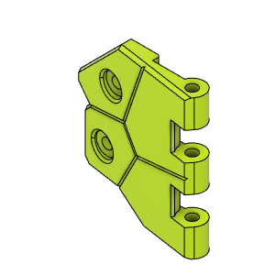 | DoorHingeFlapper_LowRH |  |  | 2 |  |  | Qty 2 due to Electronics Bay Hinge | HevORT - Enclosure - Acid Bee Theme by MirageC - Thingiverse | HevORT/files/STL/Enclosure/AcidBee_Enclosure at master · MirageC79/HevORT (github.com)
Enclosure_AcidBee |  | 26 | 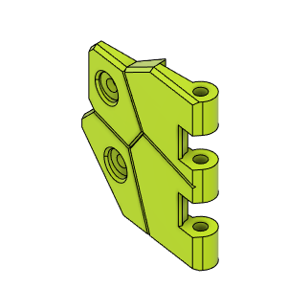 | DoorHingeFlapperUpRH |  |  | 2 |  |  | Qty 2 due to Electronics Bay Hinge | HevORT - Enclosure - Acid Bee Theme by MirageC - Thingiverse | HevORT/files/STL/Enclosure/AcidBee_Enclosure at master · MirageC79/HevORT (github.com)
Enclosure_AcidBee |  | 27 | 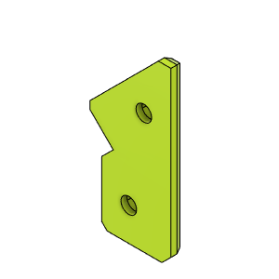 | DoorHingeBackPlateA |  |  | 3 |  |  |  | HevORT - Enclosure - Acid Bee Theme by MirageC - Thingiverse | HevORT/files/STL/Enclosure/AcidBee_Enclosure at master · MirageC79/HevORT (github.com)
Enclosure_AcidBee |  | 28 | 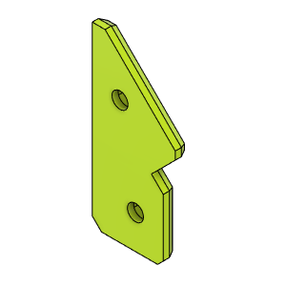 | HingeBackPlateB |  |  | 3 |  |  |  | HevORT - Enclosure - Acid Bee Theme by MirageC - Thingiverse | HevORT/files/STL/Enclosure/AcidBee_Enclosure at master · MirageC79/HevORT (github.com)
Enclosure_AcidBee |  | 29 | 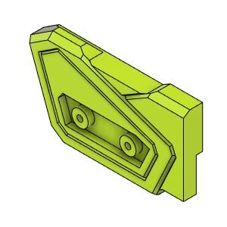 | Door_UpperMagnetHolder_LH | Upper Door Magnet Holder, LH |  | 1 |  |  |  | HevORT - Enclosure - Acid Bee Theme by MirageC - Thingiverse | HevORT/files/STL/Enclosure/AcidBee_Enclosure at master · MirageC79/HevORT (github.com)
Enclosure_AcidBee |  | 30 | 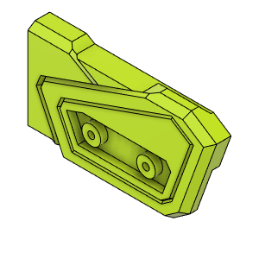 | Door_UpperMagnetHolder_RH | Upper Door Magnet Holder, RH |  | 1 |  |  |  | HevORT - Enclosure - Acid Bee Theme by MirageC - Thingiverse | HevORT/files/STL/Enclosure/AcidBee_Enclosure at master · MirageC79/HevORT (github.com)
Enclosure_AcidBee |  | 31 | 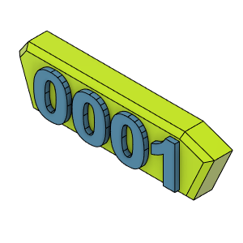 | PlateLH_SN | Serial Number Plate | Make | 1 |  |  | Modify Step File to create your own Serial number part. Pause print at desired height and change filament color ;) | HevORT - Enclosure - Acid Bee Theme by MirageC - Thingiverse | HevORT/files/STL/Enclosure/AcidBee_Enclosure at master · MirageC79/HevORT (github.com)
Enclosure_AcidBee |  | 32 | 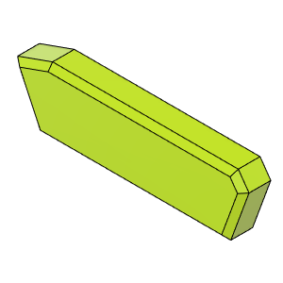 | PlateRH_Blank | Blank Plate |  | 1 |  |  |  | HevORT - Enclosure - Acid Bee Theme by MirageC - Thingiverse | HevORT/files/STL/Enclosure/AcidBee_Enclosure at master · MirageC79/HevORT (github.com)
Enclosure_AcidBee |  | 33 | 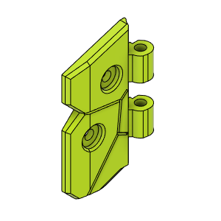 | ButterFly_Hinge_LowLH | ButterFly_Hinge_LowLH | Make | 1 |  |  |  | HevORT - Enclosure - Acid Bee Theme by MirageC - Thingiverse | HevORT/files/STL/Enclosure/AcidBee_Enclosure at master · MirageC79/HevORT (github.com)
Enclosure_AcidBee |  | 34 | 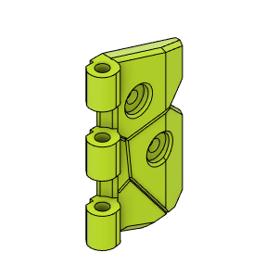 | ButterFly_Hinge_LowRH | ButterFly_Hinge_LowRH | Make | 1 |  |  |  | HevORT - Enclosure - Acid Bee Theme by MirageC - Thingiverse | HevORT/files/STL/Enclosure/AcidBee_Enclosure at master · MirageC79/HevORT (github.com)
Enclosure_AcidBee |  | 35 | 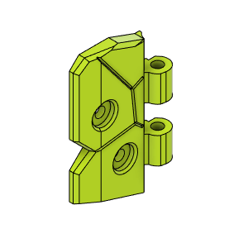 | ButterFly_Hinge_UpLH | ButterFly_Hinge_UpLH | Make | 1 |  |  |  | HevORT - Enclosure - Acid Bee Theme by MirageC - Thingiverse | HevORT/files/STL/Enclosure/AcidBee_Enclosure at master · MirageC79/HevORT (github.com)
Enclosure_AcidBee |  | 36 | 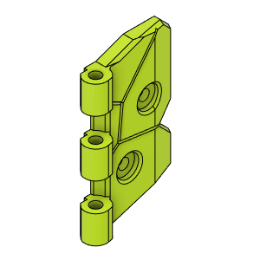 | ButterFly_Hinge_UpRH | ButterFly_Hinge_UpRH | Make | 1 |  |  |  | HevORT - Enclosure - Acid Bee Theme by MirageC - Thingiverse | HevORT/files/STL/Enclosure/AcidBee_Enclosure at master · MirageC79/HevORT (github.com)
Enclosure_AcidBee |  | 37 | 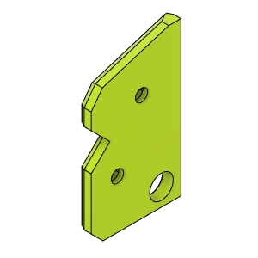 | ButterflyHinge_InnerRetainerB_Body | ButterflyHinge_InnerRetainerB_Body |  | 2 |  |  |  | HevORT - Enclosure - Acid Bee Theme by MirageC - Thingiverse | HevORT/files/STL/Enclosure/AcidBee_Enclosure at master · MirageC79/HevORT (github.com)
Enclosure_AcidBee |  | 38 | 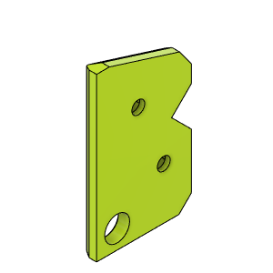 | ButterflyHinge_InnerRetainerA_Body | ButterflyHinge_InnerRetainerA_Body |  | 2 |  |  |  | HevORT - Enclosure - Acid Bee Theme by MirageC - Thingiverse | HevORT/files/STL/Enclosure/AcidBee_Enclosure at master · MirageC79/HevORT (github.com)
Enclosure_AcidBee |  | 39 | 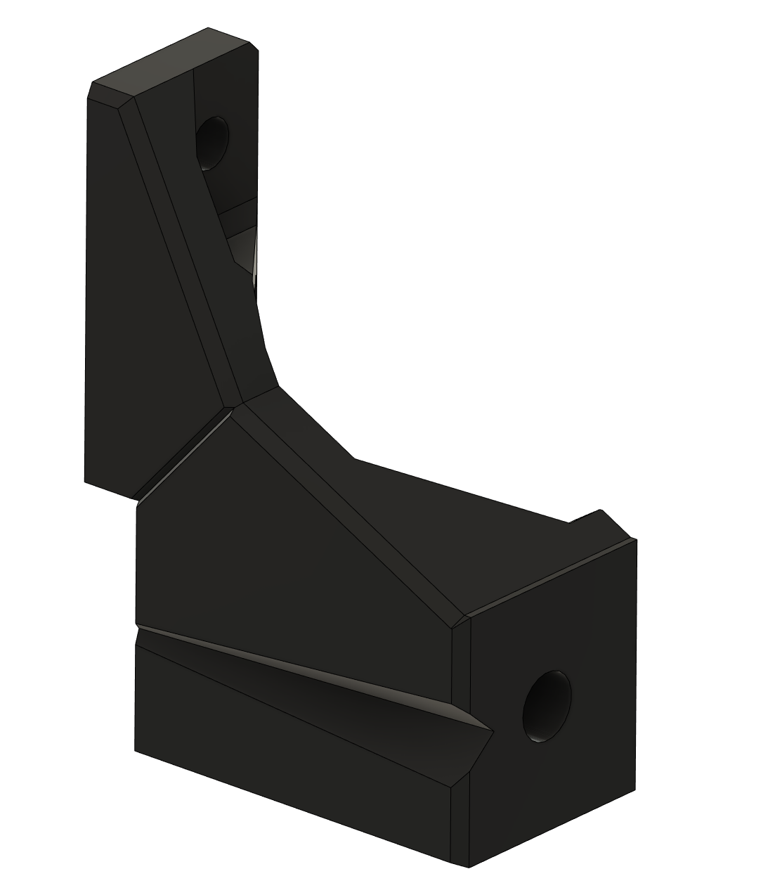 | DoorBeam_Support_LH | Support, Front Door Lower support, LH |  | 1 |  |  |  | HevORT - Enclosure - Acid Bee Theme by MirageC - Thingiverse | HevORT/files/STL/Enclosure/AcidBee_Enclosure at master · MirageC79/HevORT (github.com)
Enclosure_AcidBee |  | 40 |  | DoorBeam_Support_RH | Support, Front Door Lower support, RH |  | 1 |  |  |  | HevORT - Enclosure - Acid Bee Theme by MirageC - Thingiverse | HevORT/files/STL/Enclosure/AcidBee_Enclosure at master · MirageC79/HevORT (github.com)
Enclosure_AcidBee |  | 41 | 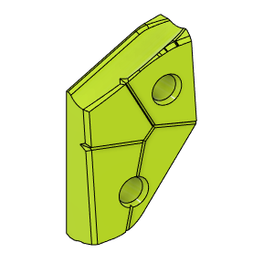 | EbayDoorHandle | EbayDoorHandle |  | 1 |  |  |  | HevORT - Enclosure - Acid Bee Theme by MirageC - Thingiverse | HevORT/files/STL/Enclosure/AcidBee_Enclosure at master · MirageC79/HevORT (github.com)
Enclosure_AcidBee |  | 42 | 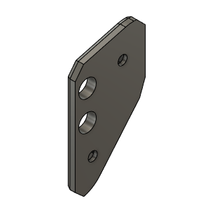 | EbayDoorHandle_BackPlate_Body | EbayDoorHandle_BackPlate_Assy |  | 1 |  |  |  | HevORT - Enclosure - Acid Bee Theme by MirageC - Thingiverse | HevORT/files/STL/Enclosure/AcidBee_Enclosure at master · MirageC79/HevORT (github.com)

